Sheet1
Test Case ID |  | TC_Practical-001 | Test Case Desc |  | Test the functuionality of Windows Notepad Application
Created By |  | Pratiksha Ramteke | Reviewed By | Trisharna |  |  | Version |  | 1.0
Tester's Name |  |  | Date Tested |  |  |  | Test Case Status (Passed/Failed/NE)

# | Prerequisites: |  |  |  | # | Test Data
1 | Windows OS |  |  |  | 1
2 | Notepad Aplication |  |  |  | 2
3 |  |  |  |  | 3
4 |  |  |  |  | 4

Test Scenario | Test entire functionality of Windows Notepad application

Step # | Step Details |  | Expected Results |  | Actual Results |  |  | Pass / Fail / Not executed / Suspended
1 | Search for the notepad application |  | Verify that you see this Application
2 | Click on the notepad Application |  | 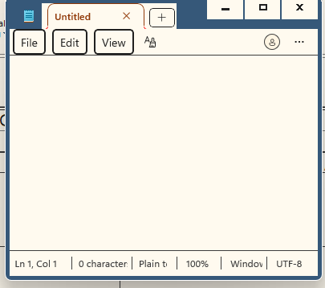 Notepad application is open
3 | Click on the file Menu |  | 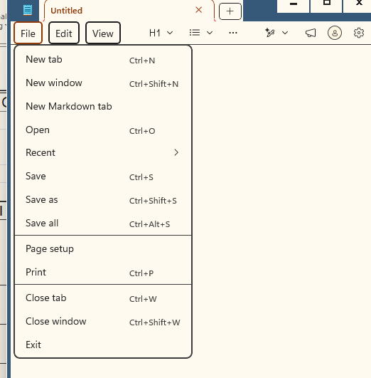 Make sure that the all menu are available in the file menu
4 | Click on the Edit Menu |  | Make sure that the all menu are available in the edit menu
5 | Click on the View Menu and check the zoom option |  | 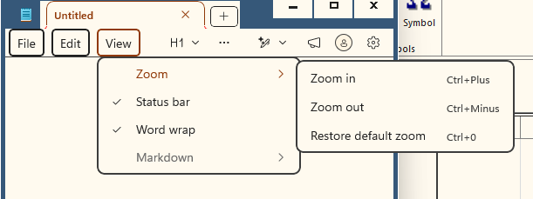 Make sure that the zoom menu are available in the view menu
6 | Type the name Hello in the file |  | Verify that you see the dialogue in the file
7 | Click on file then select the New window |  | Verify that the new Notepad window open in the the desktop
8 | Highlight text, click Edit on the top menu bar, and select Delete. |  | Remove the text immediately without copying it to the clipboard.
9 | Click View on the top menu bar, hover over Zoom, and select Restore Default Zoom. |  | The font magnification resets instantly to the default 100% scale.
10 | Type a paragraph of text into the editor plane |  | Text renders smoothly with correct fonts, spacing, and zero input lag.
11 | Press the enter key mid sentence. |  | The text splits perfectly at the cursor position and move down to start a new line.
12 | Click File then select print window and select the available printer.
13 | Click on the Edit then select Time\Date. |  | Verify that you see current Time and Date.
14 | Click on the File Menu and select the save option. |  | Make sure that the File is saved.
15 | Type the name Hello in the file and formating into Bold. |  | Verify that the Hello name is Bolded.
16 | Type the Hello word select it and then copy. |  | Verify the word Hello is copied.
17 | The copied word is pasted on the new tab. |  | Verify that the copied word is pasted on the new tab.
18 | Click on the writing Tools the click on the Change Tone Click on the casual Tone. |  | Verify that the Tone is changed into the casual tone.
19 | Click on the writing Tools then click on the change tone and then click on the Humor Tone. |  | Verify that the Tone is changed into the Humor Tone.
20 | Closed the Notepad Application. |  | Verify that the Notepad Application should closed successfully.

